PlanetValues
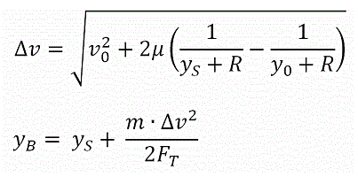
Gravity | Name | Gravity | Name2 | Radius
3,531,600,000,000 | Kerbin | 3531600000000 | Kerbin | 600000
Radius | Mun | 65138398000 | Mun | 200000 | v0 is the initial vertical speed [m/s]
600,000 | Minmus | 1765800000 | Minmus | 60000 | μ is the planet (moon) gravitational parameter [m3/s2]
 | Duna | 301363210000 | Duna | 320000 | yS is the altitude of the surface [m]
 | Moho | 168609380000 | Moho | 250000 | R is the planet (moon) radius [m]
 | Eve | 8171730200000 | Eve | 700000 | yB is the burn-start altitude [m]
 | Gilly | 8289449.80 | Gilly | 13000 | y0 is the initial altitude [m]
 | Ike | 18568369000 | Ike | 130000 | m is the mass of the ship (with fuel) [Kg]
 | Dres | 21484489000 | Dres | 138000 | FT is the max. thrust [N]
 | Jool | 282528000000000 | Jool | 6000000
 | Laythe | 1962000000000 | Laythe | 500000
 | Vall | 207481500000 | Vall | 300000
 | Tylo | 2825280000000 | Tylo | 600000
 | Bop | 2486834900 | Bop | 65000
 | Pol | 721702080 | Pol | 44000
 | Eeloo | 74410815000 | Eeloo | 210000

